N
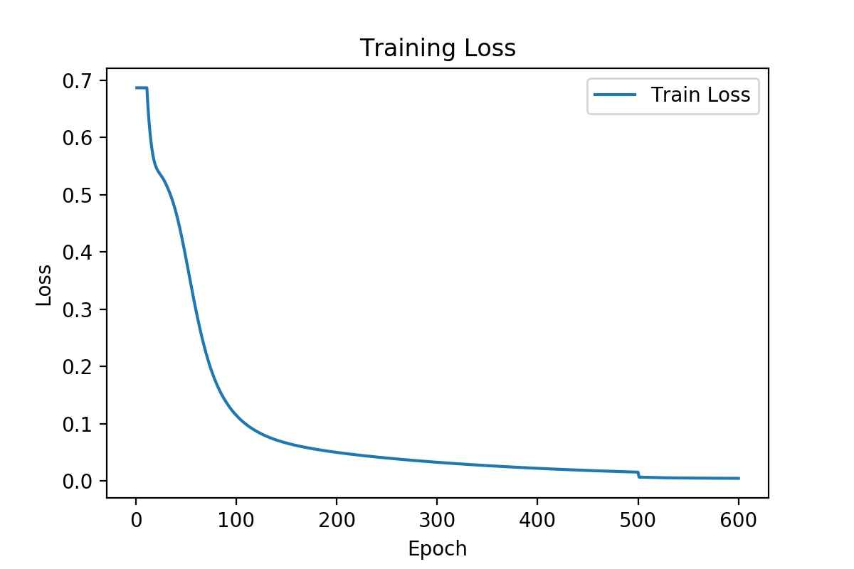
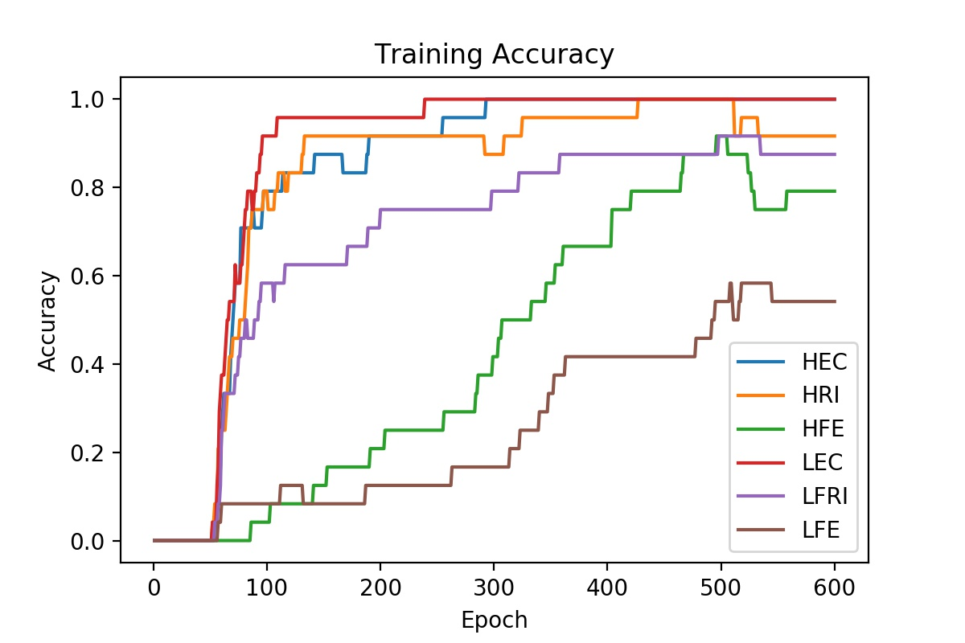
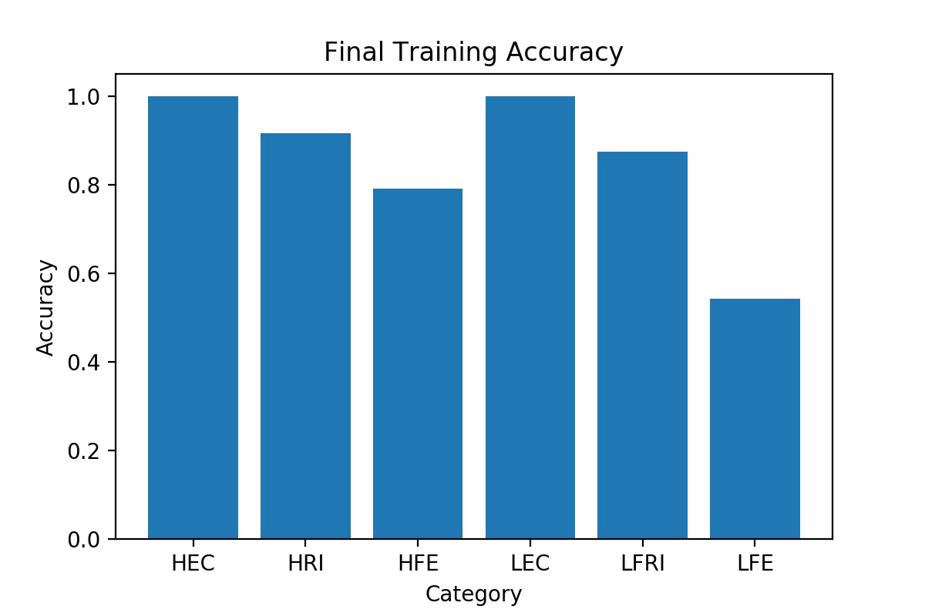
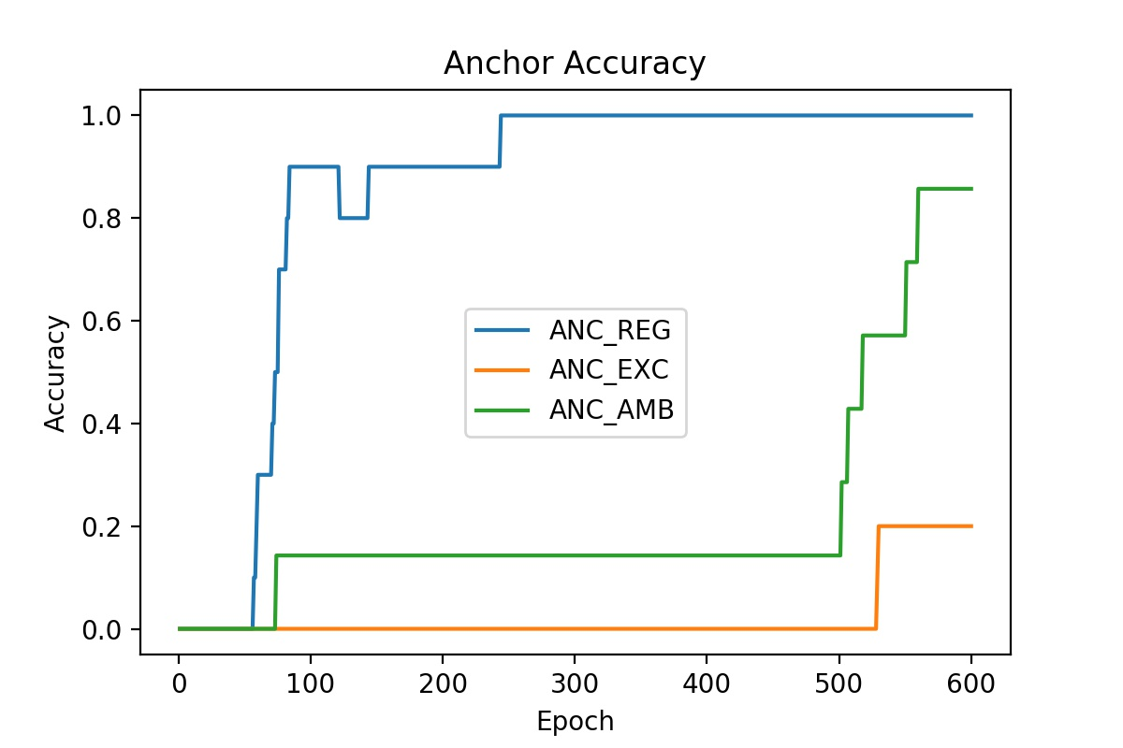
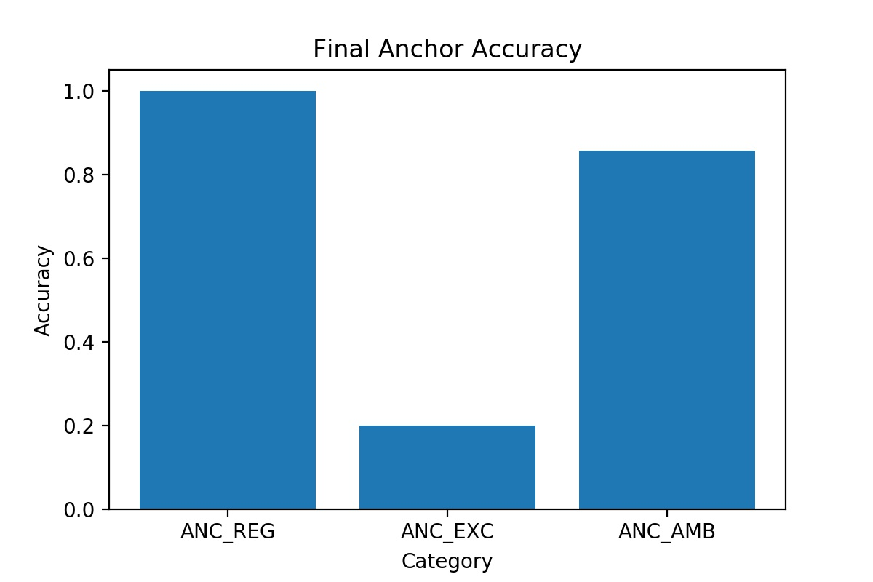
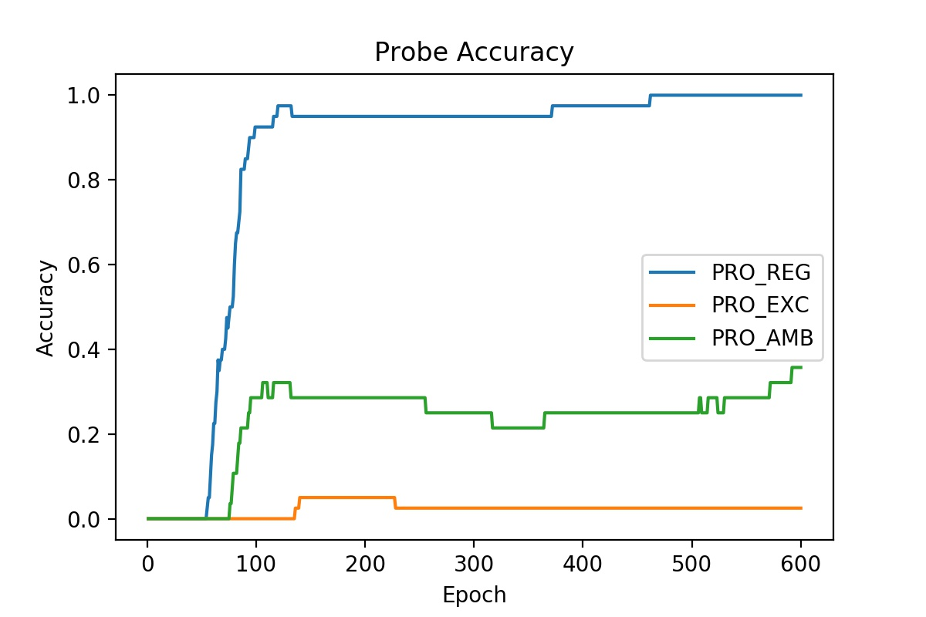
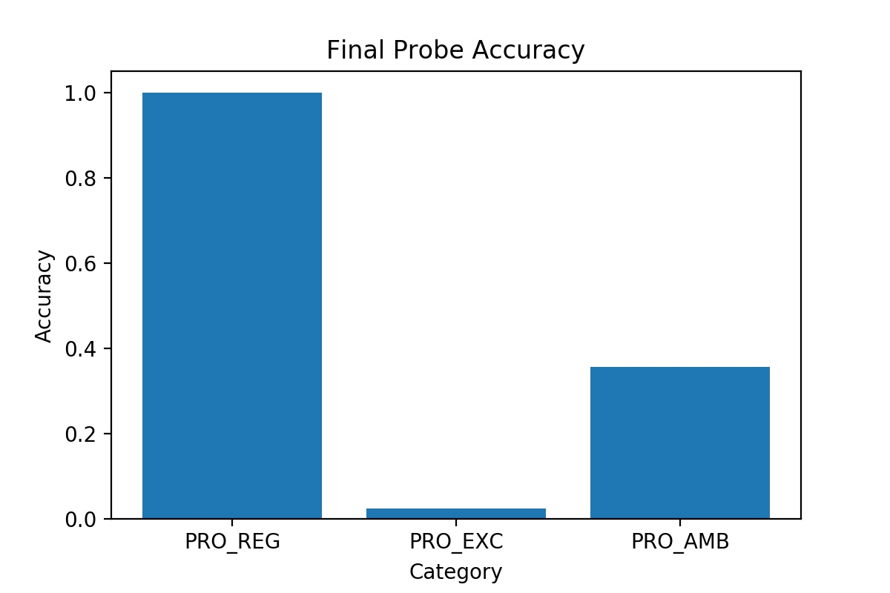
Simulation 1 | Anchor 1 only |  | NOTE: THIS IS BEFORE THE UPDATE ON JAN 8, 2020 ON HOW LOSS IS CALCULATED
[part1] |  | [part2]
start = 0 |  | start = 10
optim = SGD |  | optim = Adam
lr = 0.001 |  | lr = 0.01
momentum = 0 |  | momentum = 0.9
wd = 0.0001 |  | wd = 0

2N

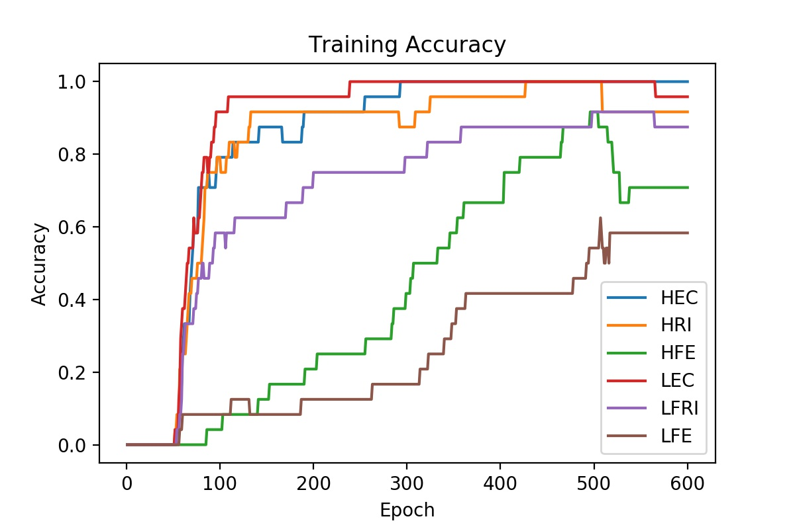
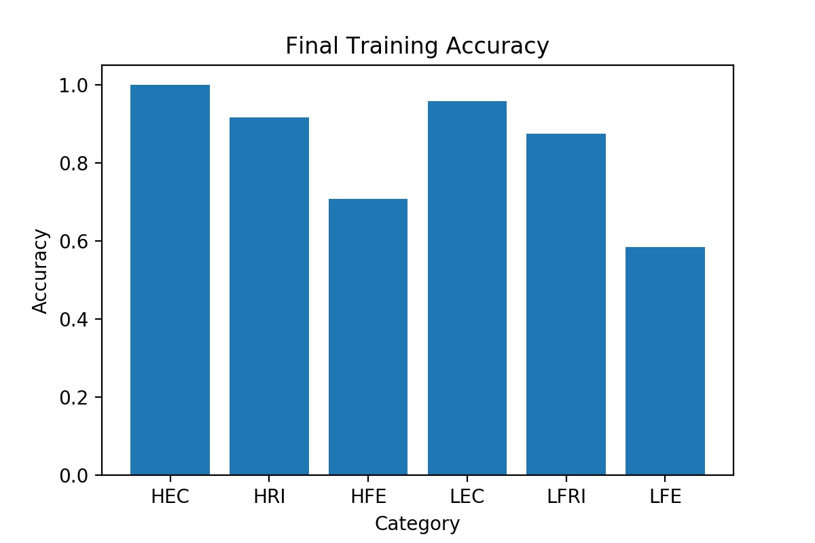
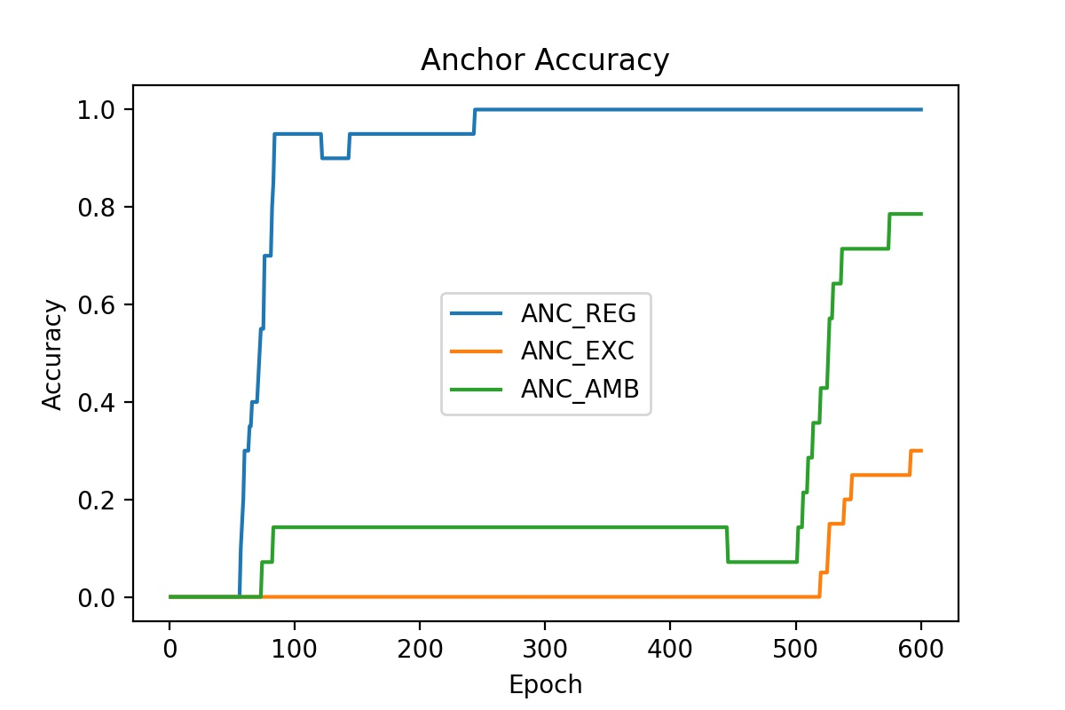
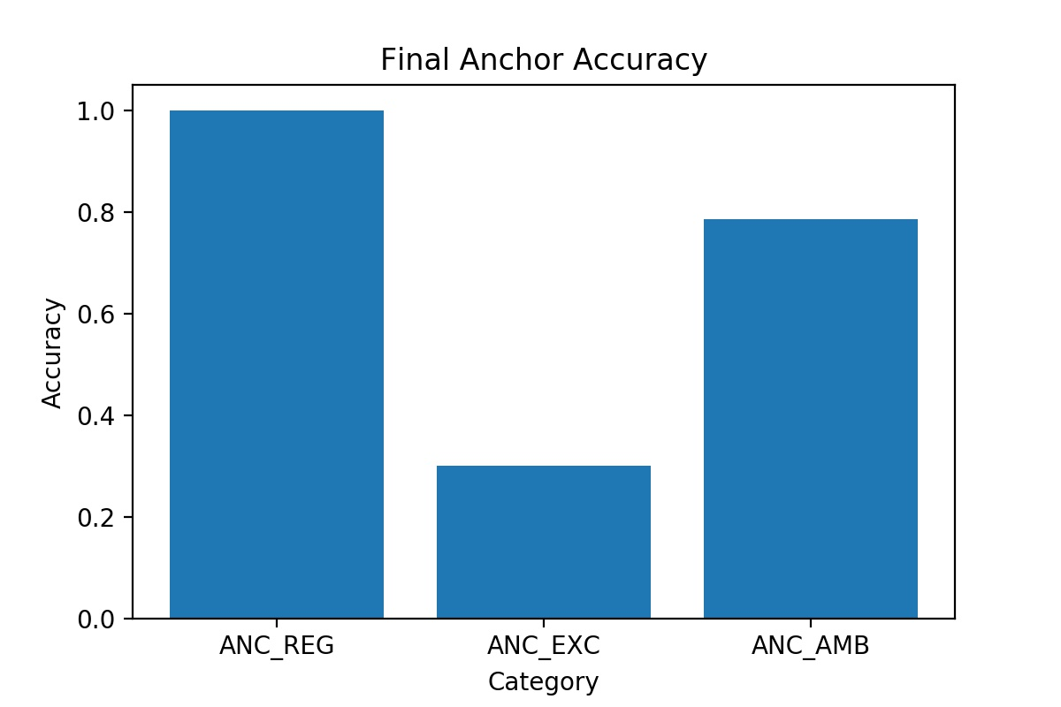
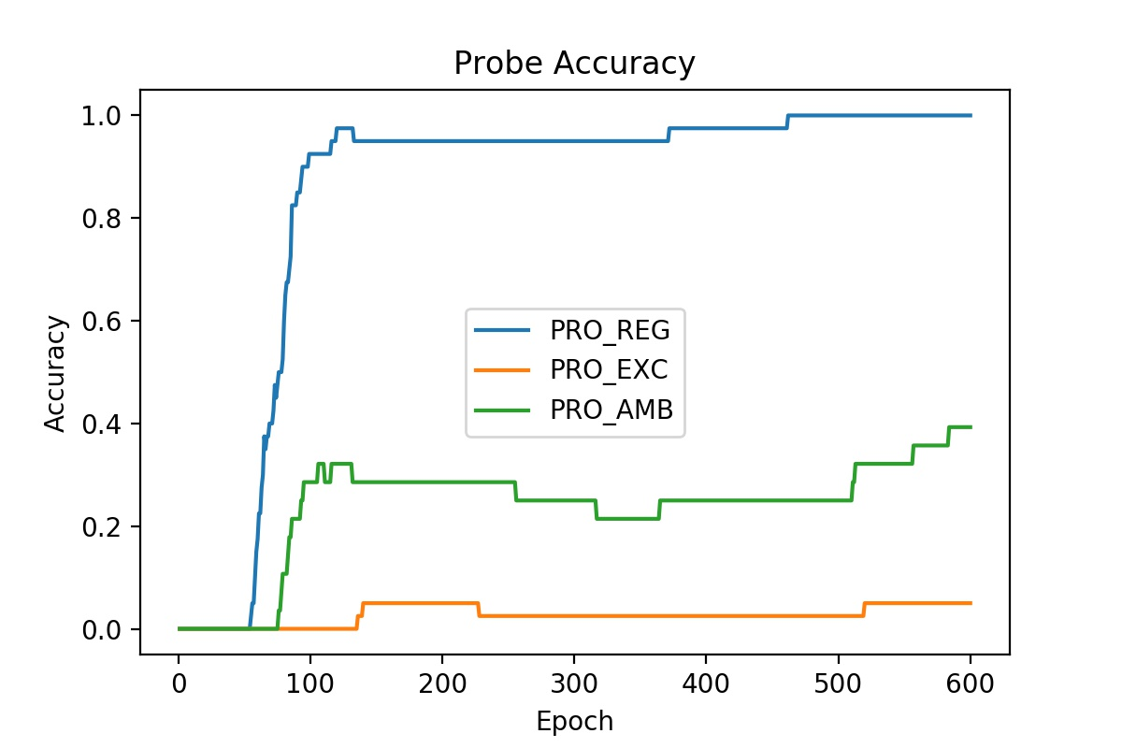
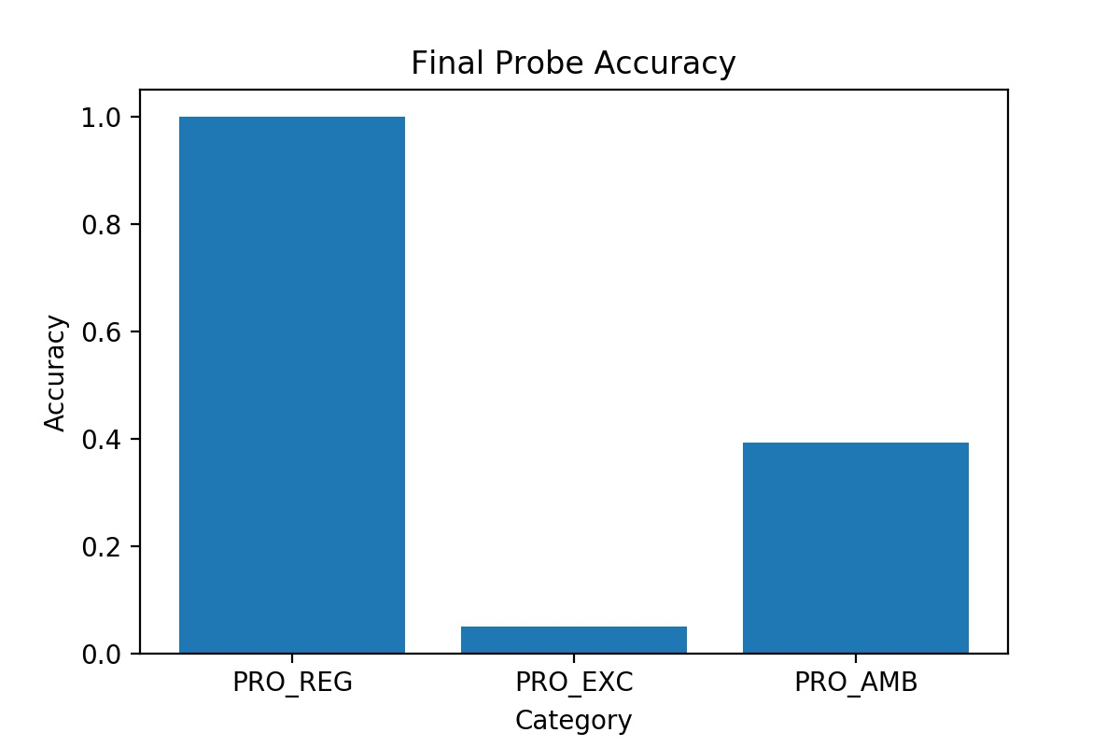
Simulation 2 | Anchor 1 and 2 |  | NOTE: THIS IS BEFORE THE UPDATE ON JAN 8, 2020 ON HOW LOSS IS CALCULATED
[part1] |  | [part2]
start = 0 |  | start = 10
optim = SGD |  | optim = Adam
lr = 0.001 |  | lr = 0.01
momentum = 0 |  | momentum = 0.9
wd = 0.0001 |  | wd = 0

3N

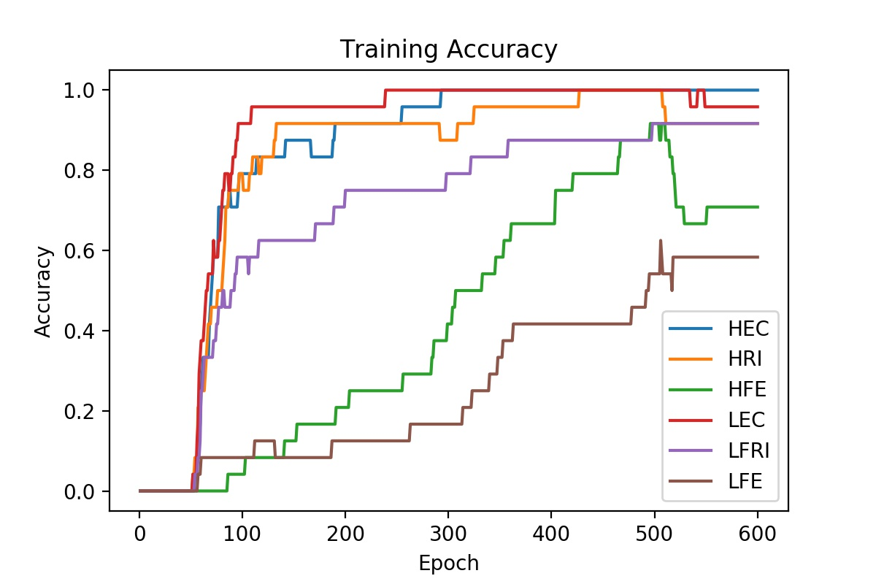
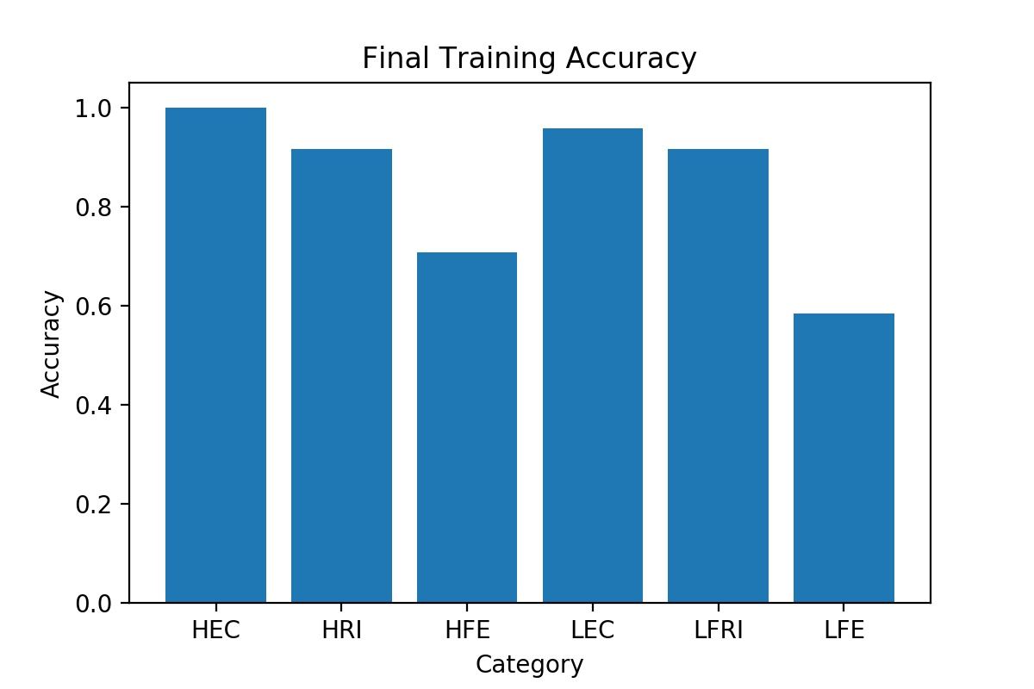
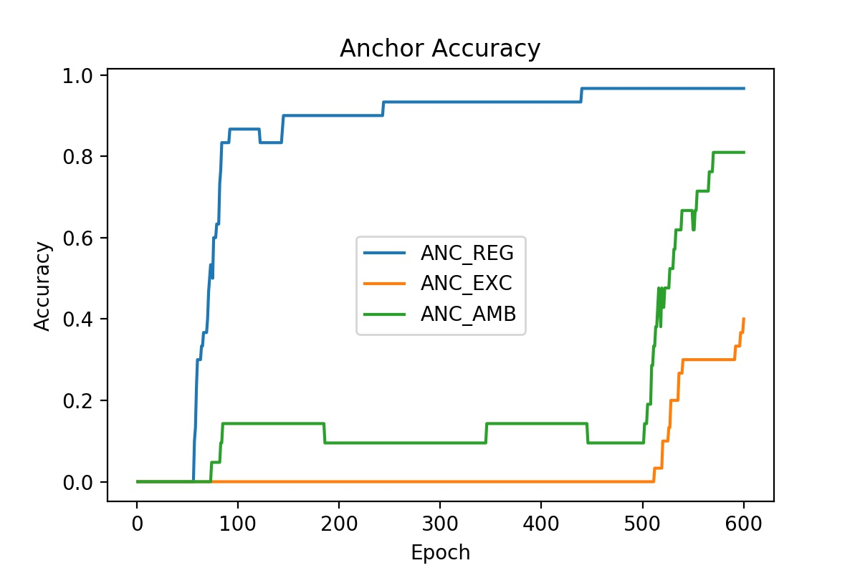
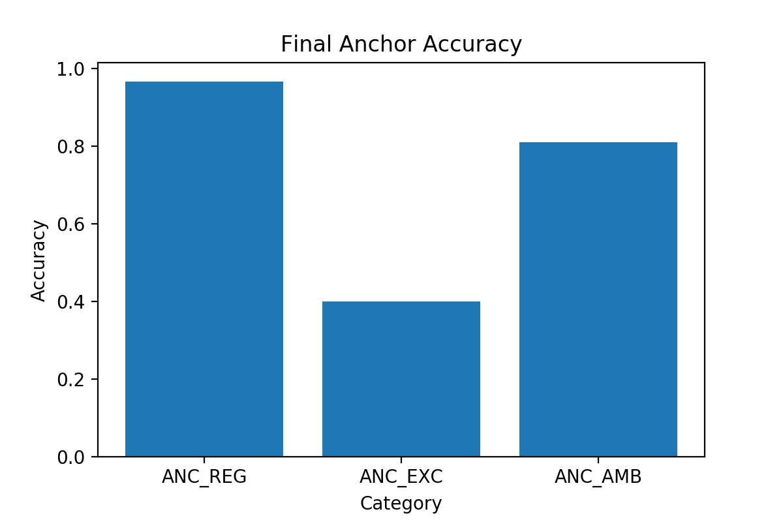
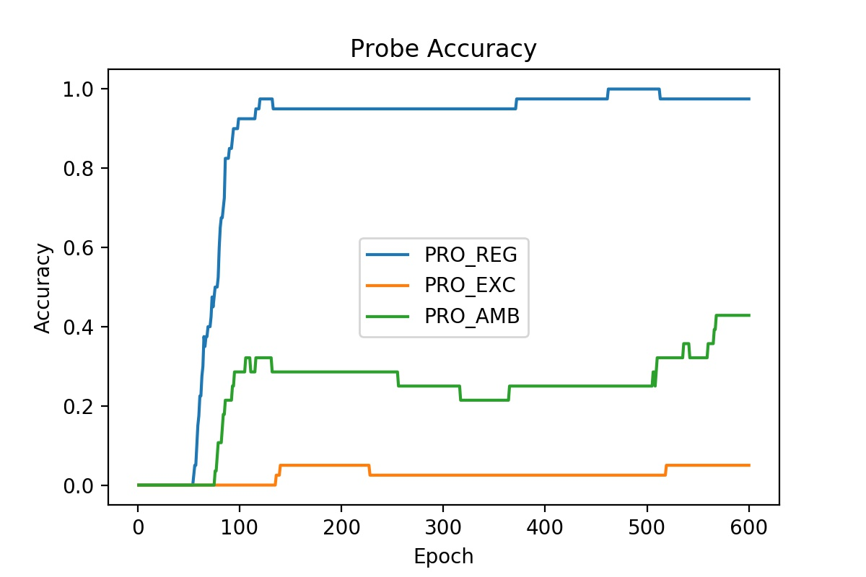
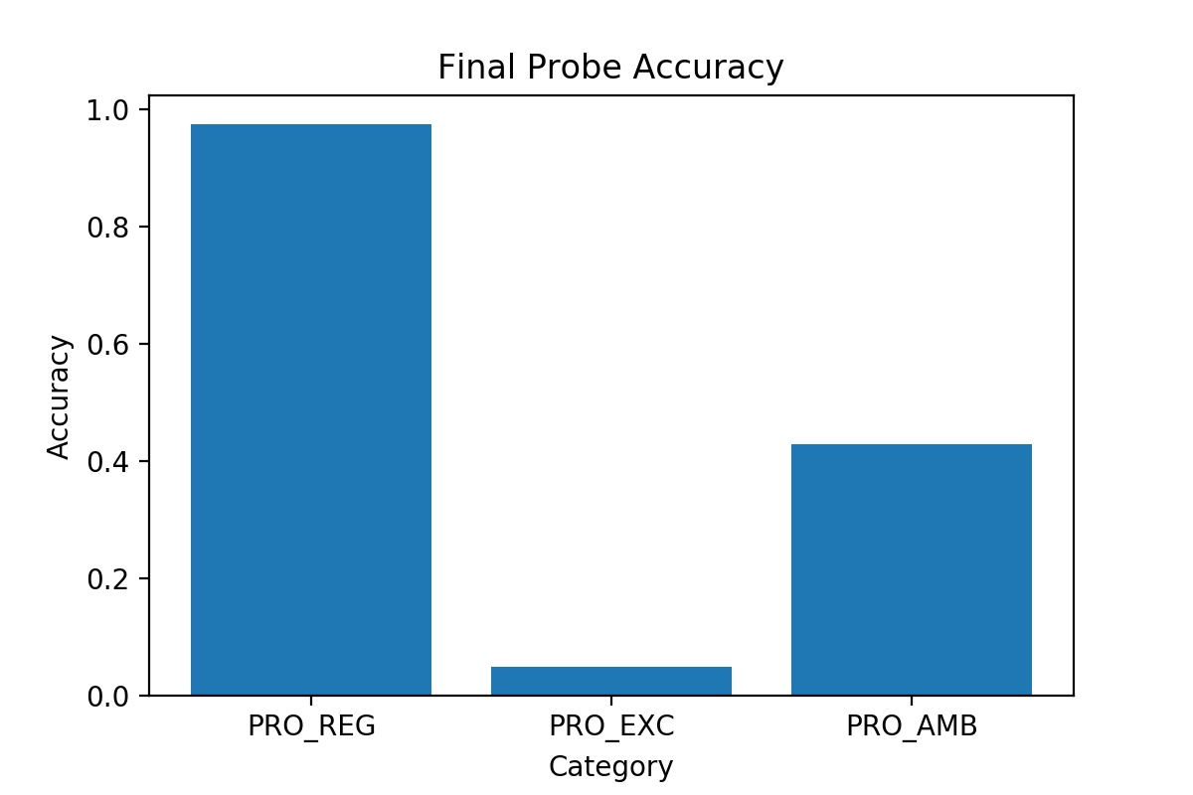
Simulation 3 | Anchor 1, 2, and 3 |  | NOTE: THIS IS BEFORE THE UPDATE ON JAN 8, 2020 ON HOW LOSS IS CALCULATED
[part1] |  | [part2]
start = 0 |  | start = 10
optim = SGD |  | optim = Adam
lr = 0.001 |  | lr = 0.01
momentum = 0 |  | momentum = 0.9
wd = 0.0001 |  | wd = 0

